Starting Stuff
If the hydrogen gas exits the electrolyzer at 300°C, what does the heat transfer look like through a straight pipe?

Q dot conduction through a cylinder with purely axial HT, steady
 |  |  |  |  |  |  |  |  |  | Placeholder Values

 |  |  |  |  |  |  |  |  |  | * fuel cell needs 0.02 grams H2 to operate for 10 minutes
 |  |  |  |  |  |  |  |  | Necessary Mass flow rate of hydrogen gas | 3.3333333333E-05 | (g/s)
 |  |  |  |  |  |  |  |  | Hydrogen gas density STP | 0.083 | (g/L) | https://genh2hydrogen.com/defining-hydrogen-from-a-to-z-3/#:~:text=Trying%20to%20achieve%20the%20same,density%20of%2039.6%20g%2FL.

 | English | Metric
Inner Diameter (in) | 0.45 | 0.01143 | (m) |  | https://www.mcmaster.com/5175K133/
Outer Diameter (in) | 0.5 | 0.0127 | (m)
Length (in) | 24 | 0.6096 | (m)
Thermal Conductivity |  | 383 | (W/m*K) |  | Copper @ 327°C |  | https://www.engineeringtoolbox.com/thermal-conductivity-metals-d_858.html

Thermal Resistance |  | 7.1821469515E-05 | (K/W)

 |  |  |  |  |  |  |  | pg 499

 |  | Hydrogen gas @ 300°C |  | Standard Air @300°C
Mass Flow Rate |  | 3.3333333333E-08 | (kg/s)
Dynamic Viscosity |  | 1.35E-05 | (kg/m*s) | 2.99E-05 | (kg/m*s) |  |  | https://www.lmnoeng.com/Flow/GasViscosity.php
Inner Diameter |  | 0.01143 | (m)

Reynolds Number |  | 2.74E-01 |  | 1.24E-01 |  | This motherfucker is laminar

 |  |  |  |  |  | pg 502

Hydrodynamic Entry Length |  | 1.57E-04 | (m) | 7.09E-05
 |  | 1.57E-01 | (mm) | 7.09E-02
Prandtl Number |  | 0.7149 |  | 0.6935 |  | at 300°C & 1 atm |  | From textbook, appendix 1 Tables A-15 and
Thermal Entry Length |  | 1.12E-04 | (m) | 4.92E-05
 |  | 1.12E-01 | (mm) | 4.92E-02
In conclusion: that shit is fully developed IMMEDIATELY

Constant Surface Temperature
 |  |  |  |  |  | pg 505

 |  |  |  |  |  | pg 506

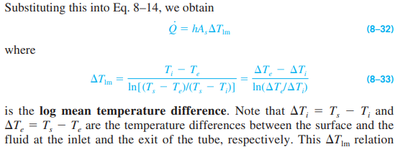
 |  |  |  |  |  |  | pg 507

 |  |  |  |  |  |  |  | Look at example 8-1 on page 507!!

pg 509: veloctiy profile & pressure drop equations for internal laminar flow!

 |  |  |  |  |  |  |  | pg 513

LETS FUCKING GO THAT'S WHAT I WANTED

Surface temperature: find internal and external convection heat transfer coefficient to see which dominates temperature
pg 465 if forced
pg 565 if natural

 |  |  |  |  |  |  |  | pg 562

 |  |  |  |  |  | pg 564

 |  |  |  |  |  |  |  |  |  | pg 565

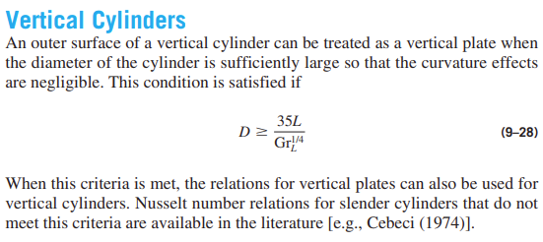

What we need: | Temperature of hydrogen gas & copper pipe when it enters the t-fitting

Questions: | What assumptions & simplifications can be made since the pipe is so thin?
 |  | Neglect thermal resistance w.r.t. radial heat transfer?
 |  | Assume same temp as hydrogen, or as air, or as median?
 | If the pipe is the same temp as the air, use the equations of constant surface temperature?

 | Or is there no canned equation, and we need to somehow integrate along the length of the pipe?
 | We just need to ensure the exit temp of the air & pipe stay below _, is there a super conservative equation to use?

Nusselt Number:
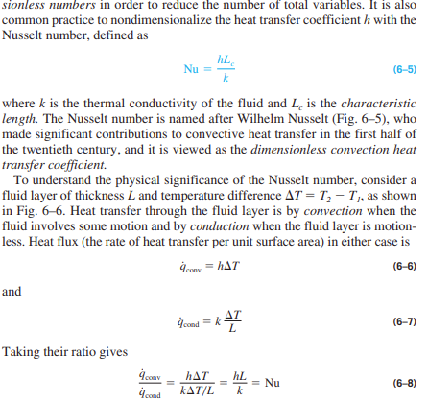
 |  |  |  |  |  |  | pg 405

Thermal Boundary Layer:

 |  |  |  |  |  |  | pg 412

